Sheet1
ARTICLE | PHOTO | COLOR | STYLE | SKU | RETAIL | WHL | QTY CENTRAL MK | ORDER | ORDER AMOUNT
REED LG BELTED TOTE | 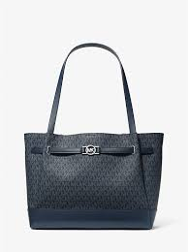 | ADMIRAL | 35F4S6RT3B | 616309637 | 395.00 € | 152.00 € | 2641
REED LG BELTED TOTE | 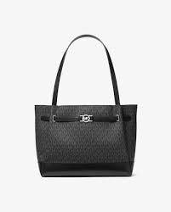 | MK BLACK | 35F4S6RT3B | 785308591 | 395.00 € | 152.00 € | 2439
REED LG BELTED TOTE | 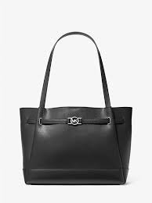 | BLACK | 35F4S6RT3T | 785327863 | 395.00 € | 152.00 € | 2367
REED LG BELTED TOTE | 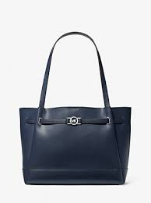 | NAVY | 35F4S6RT3T | 785308593 | 395.00 € | 152.00 € | 2367
REED LG CZ BELTED SATCHEL |  | ADMIRAL | 35F4S6RS3B | 785308588 | 375.00 € | 145.00 € | 1322
REED LG CZ BELTED SATCHEL | 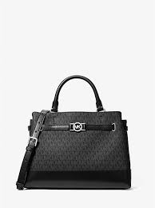 | BLACK | 35F4S6RS3B | 785308587 | 375.00 € | 145.00 € | 823
REED LG CZ BELTED SATCHEL | 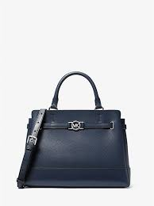 | NAVY | 35F4S6RS3T | 785308589 | 375.00 € | 145.00 € | 1074
REED LG CZ BELTED SATCHEL | 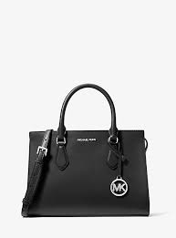 | BLACK | 35F4S6RS3T | 785327858 | 375.00 € | 145.00 € | 1300
REED XS SATCHEL XBODY | 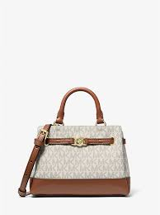 | VANILLA | 35F4G6RC0B | 785308205 | 350.00 € | 135.00 € | 1488
REED XS SATCHEL XBODY | 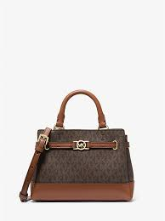 | BROWN | 35F4G6RC0B | 785308206 | 350.00 € | 135.00 € | 1389
REED XS SATCHEL XBODY | 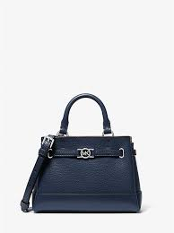 | NAVY | 35F4S6RC0T | 785308567 | 350.00 € | 135.00 € | 2599
REED XS SATCHEL XBODY |  | BLACK | 35F4S6RC0T | 785327824 | 350.00 € | 135.00 € | 2089
REED XS SATCHEL XBODY | 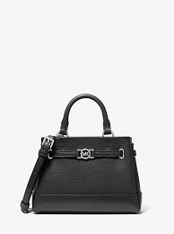 | ADMIRAL | 35F4S6RC0B | 785308566 | 350.00 € | 135.00 € | 2731
REED XS SATCHEL XBODY | 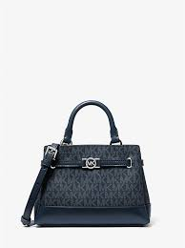 | BLACK | 35F4S6RC0B | 785308565 | 350.00 € | 135.00 € | 2043
JAYCEE LG BACKPACK | 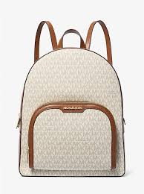 | VANILLA | 35S2G8TB7B | 616309637 | 545.00 € | 210.00 € | 1555
JAYCEE LG BACKPACK | 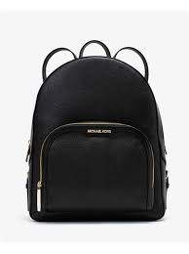 | BLACK | 35S2G8TB7L | 616309656 | 545.00 € | 210.00 € | 2841
JAYCEE MD BACKPACK | 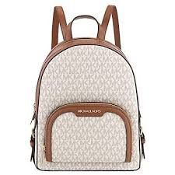 | VANILLA | 35S2G8TB2B | 616309593 | 495.00 € | 190.00 € | 687
JAYCEE MD BACKPACK | 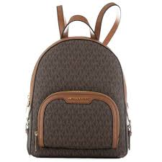 | BROWN | 35S2G8TB2B | 616309595 | 495.00 € | 190.00 € | 1482
JAYCEE MD BACKPACK | 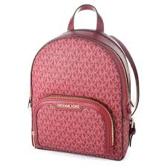 | POWDER BLUSH | 35S2G8TB2B | 616309608 | 495.00 € | 190.00 € | 382
JAYCEE MD BACKPACK | 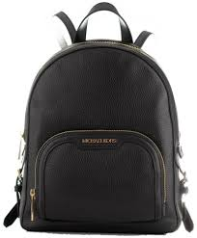 | BLACK | 35S2G8TB2L | 616309612 | 495.00 € | 190.00 € | 1361
JAYCEE MD BACKPACK | 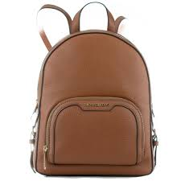 | LUGGAGE | 35S2G8TB2L | 616309616 | 495.00 € | 190.00 € | 1290
JAYCEE MD BACKPACK | 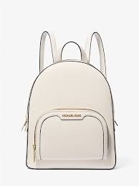 | LT CREAM | 35S2G8TB2L | 616309617 | 495.00 € | 190.00 € | 315
JAYCEE MD BACKPACK | 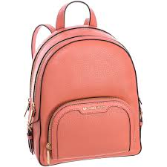 | POWDER BLUSH | 35S2G8TB2L | 616309625 | 495.00 € | 190.00 € | 1015
JET SET TRAVEL SM TZ SHLDR TOTE | 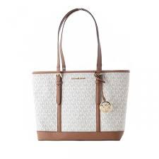 | VANILLA | 35S0GTVT1V | 359945093 | 375.00 € | 145.00 € | 874
JET SET TRAVEL SM TZ SHLDR TOTE | 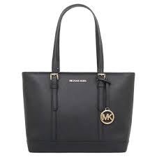 | BLACK | 35S0STVT1L | 359971121 | 375.00 € | 145.00 € | 917
 |  |  |  |  |  |  | 39391

